Sheet1
Q1.) Look at the data given below. Plot the data, find the outliers and find out

Name of company | Measure X
Allied Signal | 24.23%
Bankers Trust | 25.53%
General Mills | 25.41%
ITT Industries | 24.14%
J.P.Morgan & Co. | 29.62%
Lehman Brothers | 28.25%
Marriott | 25.81%
MCI | 24.39%
Merrill Lynch | 40.26%
Microsoft | 32.95%
Morgan Stanley | 91.36%
Sun Microsystems | 25.99%
Travelers | 39.42%
US Airways | 26.71%
Warner-Lambert | 35.00%

average= | 33.27%
Std Deviation= | 16.945400921
variance= | 287.14661238

Q.2)
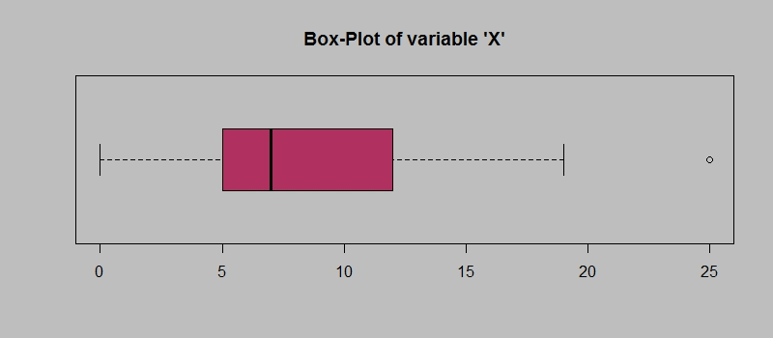

1.) | IQR=Q3-Q1
IQR= | 12-5=7

2.) | RIGHT SKEWED( POSITIVE SKEWNESS)
3.) | IF 25 AS 2.5 , NO OUTLIER OCCURS, MEAN AND MEDIAN SHOULD BE CALCULATED AS NEW DATA SET

Q.3)
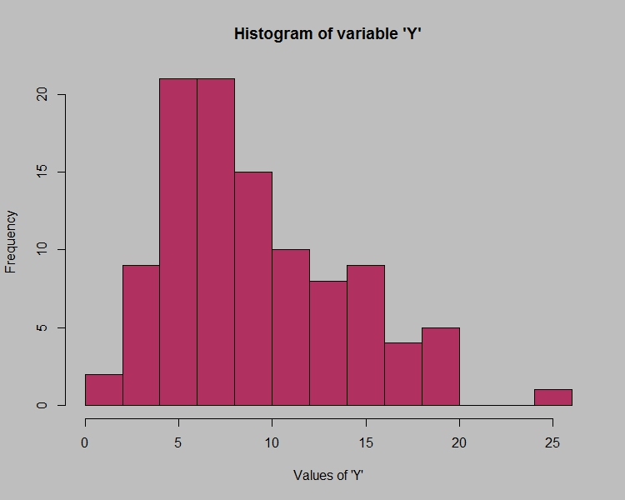

 | a. mode of the histogram is lying between 3-10
 | b.rightly positive skewed
 | c. both- positively skewed and gives the outlier at 25

Q.4) | a.)probability of misdirected calls= 1/200 | 0.005
 | b.)probability of not misdirected calls=1-( 1/200) | 0.995
 | c.)probability that at least one in five attempted telephone calls reaches the wrong number | 0.024751246878

Q.5)
Returns on a certain business venture, to the nearest $1,000, are known to follow the following probability distribution
x | P(x)
-2,000 | 0.1
-1,000 | 0.1
0 | 0.2
1000 | 0.2
2000 | 0.3
3000 | 0.1

 | a.) highest probability p(x)=0.3 , having value =2000
 | b.)p(x=1000)= 0.2
 | p(x=2000)=0.3
 | p(x=3000)=0.1
 | p(success)=0.2+0.3+0.1=0.6, yes!

 | x | P(x) | P(x)*x
 | -2,000 | 0.1 | -200
 | -1,000 | 0.1 | -100
 | 0 | 0.2 | 0
 | 1000 | 0.2 | 200
 | 2000 | 0.3 | 600
 | 3000 | 0.1 | 300

 | c.)long_term average=
 | 800

 | risk involved | 1707.8251277

